Summary
HWG Impact Model: | Jimma Coffee Program

Overview

HWG Summary/Interpretation:
The model compares the estimated total benefits of ca. 15,1 Mio € with the implementation costs of ca. 2,7 Mio € (values are discounted and delated to real 2021 €).
The preliminary SROI result of 5,5 shows that under the current assumptions, income effects achieved by the project will significantly outperform the project investment.
In our model, the main income driver is stumping as a means of rejuvenation coffee trees. Yield effects of stumping are estimated based on TNS's monitoring data and might be overestimating the actual impact. Under conservative assumptions on stumping yield impacts, the SROI drops to 1,5.
Accordingly, we asses the level of certainty of the model as low. The base case represents the optimistic scenario. Based on the sensitivity analysis we estimate that the final SROI will range between 2,5 and 5,5.
However, the sensitivity analysis shows that the program is robust: even with conservative assumptions, the SROI stays above 1
Project name | Jimma Coffee Program
Implementing partner | TechnoServe
Evaluation partner | IFPRI | C4ED
Project country | Ethiopia
Project region | Jimma Zone (Gumay, Goma, Gera Woredas)
Project duration | 09/2021 - 04/2025
Objective | To improve coffee productivity and resilience by promoting regenerative agricultural practices and quality improvements for coffee plus honey as alternative income-generating activity
Budget (2025 nominal EUR) | 3,811,777.69 €
Outreach | 15.489 trained (50% of training topics + 3 key topics)
Date of Analysis / Version | Aug-26 | v4
Author | Marlene Gutiérrez

SROI
*Level of certainty: Low
Evidence strength: No direct measurement of household income or consumption expenditure. Income effects modeled from intermediate outcomes.
Observational or quasi-experimental evaluation design with some attempt at causal inference. Impact estimates from similar contexts or adapted with reasoning
Precision of impact estimates: : Moderately wide CI (CI width 30-60%). Borderline statistical significance of impact estimates.
Assumptions: Multiple key assumptions with high uncertainty (best guess).
Sensitivity: SROI values highly sensitive to key uncertain parameters. Small or plaussible variations (e.g. +/- 10-20%) in key parameters lead to large changes in SROI values or even a change in sign
Total SROI (10 year time frame) | 5.5
Type | Semi-Forecast
Level of certainty* | Low
SROI thresholds
Sensitivity Analysis (parameters to determine lower- and upper-bound SROI estimates) | Average coffee price change + Yield benefit of stumping (assumption realization rate of TNS model)
Lowe-bound SROI | 2.5
Upper-bound SROI | 5.5

Evaluation

*Methodological rigor: Good
Design is generally appropriate, with clear and justified sampling and analytical methods, though some limitations remain
Assumptions: Some substantiated assumptions (with some form of support based on available evidence or logical reasoning).
Evaluation methodology | Quasi-experimental study design; difference-in-difference combined with propensity score matching (C22 limitation, as households in intervention areas differ significantly from control households)
Primary outcome | Adoption status of trained agricultural practices
Income measurement | Modeled based on adoption data
Sample size per cohort | C22: Treatment: 644; Control: 310
 | C23: Treatment: 1054; Control: 1106
Study population | Coffee-cultivating households that reside in project Kebeles
Methodological rigor* | Good

Findings on other outcomes

Best practice adoption (Coffee) | Endline C22: Average household adopted 2.2 out of 7 best practices by endline (C22) with 34% of interviewed households adopting additional 2 best practices at endline. Only 25% of targeted 50% adopted compost/ manure. The adoption of weedings declined 47% to 37%. The decline in weeding adoption is partly the result of observation of higher weed incidence. One possible explanation for the higher weed incidence, could be the timing of the surveys. The baseline was conducted in January 2022, during the dry season in most parts of Ethiopia, whereas the endline survey took place in the rainy season. 70% of interviewed farmers reported weeding min twice per year up from 56% at baseline.
Coffee Washing Stations (CWS) | C22 & C23 TNS audits: 2024 audits were conducted for all 12 operational CWS (C22 & C23). Four of the 16 CWS did not open during the 2024/25 season due to a shortage of working capital and/or equipment failure (e.g., damaged pulping machines). All audited CWS passed a mimimum of 80% of sustainability standards. All 12 CWS met the requirement of scoring at least 86% on CPQI. The average score for both cohorts was 91%.. The proportion of Q1/Q2 grade coffee was at 97%.
Beekeeping | Endline C22: The number of households with occupied, active hives increase from 21% to 29% in past 12 months. The income increase in honey is mainly driven by increasing prices which changed from avrg 136 ETB to 286 ETB for crude honey. Average production decreased from 16,9 kg to 13 kg (as additional 700 farmer likely poroduce less than more experienced farmers); Although more farmers produced honey, the share of farmers reporting income through sales declined by 2% (from 9% to 7%) while the average income doubled from 3068 ETB to 6024 ETB. During the year beekeeping farmers phased issues with unfavoring climatic conditions highly influencing productivity.

Present Value vs Costs
Present Value vs. Costs per Household
Share of Project Component in Total Present Value per Household
 |  |  |  | C22 | C23
 |  |  | GAPs besides Stumping | 57 € | 84 €
PV per HH C22 | 707 € |  | Stumping | 525 € | 409 €
PV per HH C23 (forecast) | 557 € |  | Honey | 16 € | 12 €
PV per HH combined | 607 € |  | Coffee Washing Stations | 108 € | 52 €
Costs per HH | 110 € |  |  | 649 € | 473 €
NPV per HH | 497 €

Present Value vs. Project Costs

C2022 | Present Value (in 2021 EUR) | 5,892,475 €
C2023 | Present Value (in 2021 EUR) | 9,173,346 €
Combined | Project Costs discounted (in 2021 EUR) | 2,733,394 €
 | Present Value (in 2021 EUR) | 15,065,821 €
 | Net Present Value (in 2021 EUR) | 12,332,427 €

* Definitions see tab "Info"

ToC
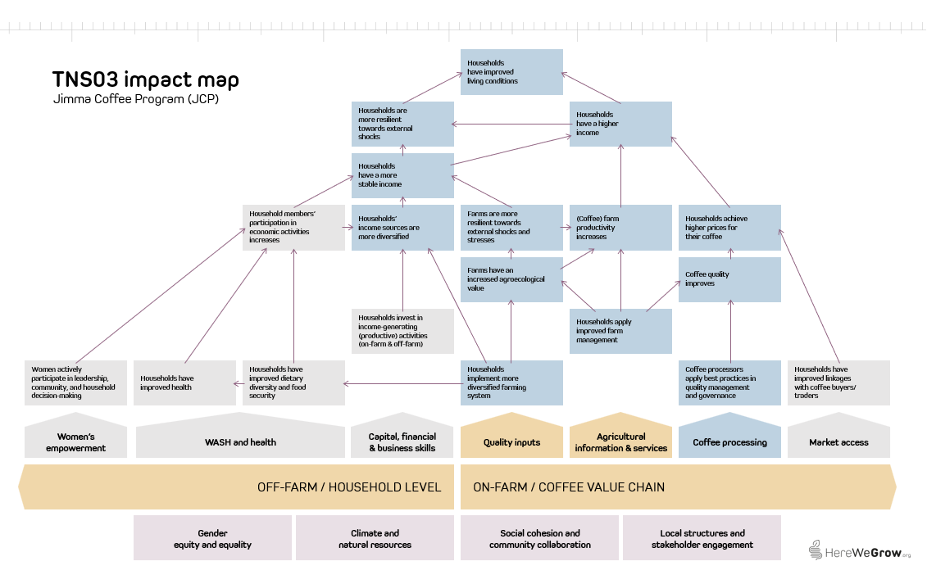
1) Jimma Coffee Program Theory of Change

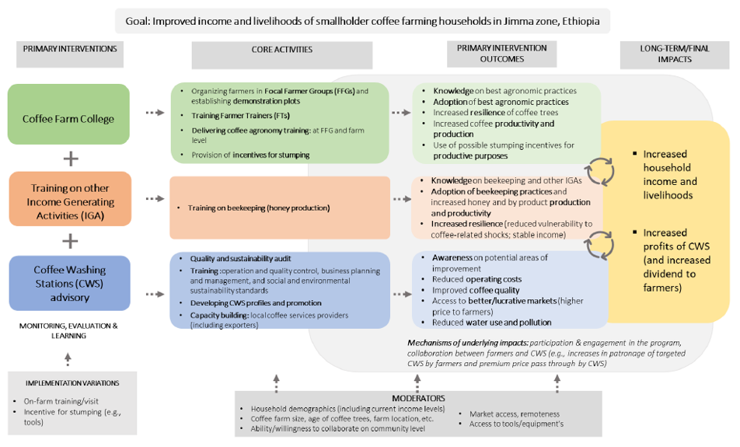

2) HereWeGrow Impact Map

Info
*Level of certainty (lowest of the four dimensions evidence strengths, precision of impact estimates, assumptions, and sensitivity):
Low Evidence strength: No direct measurement of household income or consumption expenditure. Income effects modeled from intermediate outcomes.
Weak evaluation design (observational, no counterfactual; small or non-representative samples).
Impact/outcome estimates from very different contexts (low generalizability).
Precision of impact estimates: Confidence interval (CI) width > 60% of point estimate or no CI reported at all. Point estimates not statistically significant.
Assumptions: Multiple key assumptions with high uncertainty (best guess).
Sensitivity: SROI values highly sensitive to key uncertain parameters. Small or plaussible variations (e.g. +/- 10-20%) in key parameters lead to large changes in SROI values or even a change in sign
Medium Evidence strength: Impact estimates based on self-reported income or validated proxy measures.
Observational or quasi-experimental evaluation design with some attempt at causal inference. Impact estimates from similar contexts or adapted with reasoning.
Precision of impact estimates: Moderately wide CI (CI width 30-60%). Borderline statistical significance of impact estimates.
Assumptions: Some substantiated assumptions (with some form of support based on available evidence or logical reasoning).
Sensitivity: SROI values are moderately sensitive to key parameters. Reasonable variation in inputs leads to noticeable but not decision- changing shifts in ROI.
High Evidence strength: Direct measurement of household consumption expenditure. Rigorous experimental/quasi-experimental design with strong causal identification. Impact estimates from coffee-growing households in East Africa or validated external validity.
Precision of impact estimates: Income estimates significant at 5% (p<0.05) with narrow confidence intervals (i.e., CI width < 31% of the point estimate).
Assumptions: All key assumptions are empirically grounded or sensitivity-tested.
Sensitivity: SROI values are robust to sensitivity analysis. Changes in inputs lead to only modest changes in SROI values, and conclusions remain consistent.

*Methodological rigor:
Fair Design and methods have significant limitations that reduce confidence in causal claims.
Good Design is generally appropriate, with clear and justified sampling and analytical methods, though some limitations remain
Excellent Rigorous design with well-documented, robust methods that effectively address potential biases and support strong causal inferences.

*Impact measure: The evaluation does not provide data on total household income. Instead, it focuses on the intermediate outcome of adoption status of regenerative agricultural practices and models income effects. We assume yield effects of practice adoption to calcuate coffee revenues, costs associated with practice adoption to calculate coffee profits and that changes in practices adoption do not affect other income-gernerating activities of the household, so that a change in coffee profits translates directly into an equal change in total household income.

*Discount rate: When a program's costs and impacts are distributed across time, it is necessary to discount them back to their present value in the base year of the program to account for an organization's time preference for both costs and benefits. The social opportunity cost of capital (SOC) is used as the standard discount rate in this analysis, in part because the high variation and scarce data on time preference in the developing world makes it impossible to use people's social rate of time preference to establish a standard discount rate.
Looking at the median discount rate, calculated based on the SOC, across countries suggests that anything between 10-12 percent is a reasonable rate for discounting the costs and benefits of rural livelihoods programs in developing countries. We've chosen to set the discount rate to 10 percent to ensure consistency across all programs in the analysis. (For a list of discount rates used by various governments and organizations, see Table 2 of Dhaliwal et al., 2013.)

*Inflation: We present cash flows in real values, deflating coffee prices and labor costs (for the calculation of profits from coffee) as well as project costs back to real value in base year (2021 for C2022 and 2022 for C2023), using average annual LCU inflation rate over time elapsed between base year and the incurrence of benefits/costs. We take the present value of these cash flows and then inflate forward to the year of analysis (2021), using average annual LCU inflation rate over time elapsed between base year and year of analysis. We selected 2021 as year of analysis because it aligns with the latest international poverty line and purchasing power parity (PPP) update (World Bank Group 2025).

*Non-implementation costs share: This parameter captures the share of the total project budget allocated to costs not directly related to project implementation — such as administrative overhead, institutional support functions, or organizational indirect costs applied by the implementing organization. We assume these costs are still necessary to replicate/expand the program. Moreover, the non-implementation costs share varies considerably between implementing organizations. Substracting these costs from the cost base would disadvantage lean/efficient organizations with a low non-implementation cost share. We therefore include non-implementation/indirect costs in the project costs in the base case.

*Yield benefit of GAP adoption besides stumping: We have no evidence on the yield effect of the adoption of GAPs other than stumping. The UCAT RCT reports ITT esimates on coffee yield per tree between 4.1% and 10.5% of a training program on regenerative agriculture practices in coffee including rejuvenation in Uganda. We assume that yield effects start one year after the start of programming (as it takes 1 year to cover all training topics).
*Unstumped yield: The projected yield from TNS is underlying major assumptions that will be verified during a yield study conducted by IFRPI in 2026/2027 harvest season. For example, the average yield per productive tree in Gera and Gomma (C23 cohort) was found to be on average ~0,5 kg which is less than half of the reported 1,1kg in the TNS model.
*Yield benefit of stumping: For the yield benefit of stumping we follow results from a TNS yield study that compared the yield of unstumped and stumped trees on a small number of demo-plots over time. It is assumed that these effects reflect the yield benefit of stumping plus the adoption of other good agricultural practices. The HWG yield pilot study conducted with Laterite in Sidama during the third harvest after stumping found an unconditional impact of 40% of stumping on coffee yield. After accounting for complementary best practices, tree characteristics and location, coffee trees on stumped plots yield 21-23% more compared to trees on unstumped coffee plots. This is significantly lower than the findings of the TNS yield study. We still rely on the TNS study, as the HWG pliot yield study only covered one point in time.
*Dynamic yield benefits: The available evaluation data does not allow us to estimate the dynamic effects of the CFC on practice adoption - it is possible that the effects became either stronger or weaker over time. We apply findings from a previous evaluation of TechnoServe's coffee training program in East Africa (IPE Tripe Line, 2017) to model the time path of impact. This allows us to approximate the return on the training over a period of 10 years. The Triple Line evaluation concluded that 63% of the improvement in practice adoption achieved by the end of the training period remained 5 years later. Assuming the decay in farmers' practice adoption is linear implies an annual decay of 7.3% of the initial improvement.
Spillover effects: The Coffee Farm College could lead to positive spillover effects among participating and non-participating households. Participating households may apply their BP knowledge to other crops. Non-participating households may learn about BPs through knowledge sharing and start applying BPs on their (coffee) plots. The presence of the TNS Coffee Farm College can also inflluence local markets and labor demand. There is limited and mixed evidence on the direction and magnitude of spillover effects of agricultural extension programs. An RCT of an TNS agronomy training program among Rwandan coffee farmers finds no evidence of social diffusion of BP knoweldge; instead control households experienced negative spillovers, likely because of competition for scarce inputs, such as inorganic fertilizer and labor (Duflo et al., 2026). Therefore, we do not consider (positive and/or negative) spillover effects in SROI calculation.

