Summary
HWG Impact Model: | Improving Incomes of Coffee Farmers

Overview
HWG Summary/Interpretation:
The SROI forecast model is based on baseline data. It estimates total benefits of ca. 12,3 Mio € and compares them to the implementation costs of ca. 1,9 Mio € (values are discounted and deflated to real 2021 €).
The preliminary SROI result of 6,4 shows that under the current assumptions, income effects achieved by the project will significantly outperform the project investment.
In our model, the main income driver is the increased yield in coffee trough BP adoption and stumping. Yield effects of stumping are estimated based on TechoServe's monitoring data and might be over- or underestimating the actual impact. Under conservative assumptions on stumping yield impacts and -10% coffee price change, the SROI drops to 3,9 . Further, we do not know the yield effect of adoption of other Good Agricultural Practices GAPs in coffee and maize
Under the assumption of 35% ROI of loans and 95% of loans in active funding the Women Self-Help Groups (WSHG) approach is expected to have a high impact on hh income.
Accordingly, we asses the level of certainty of the model as low.
However, the sensitivity analysis shows that the program is robust: even with conservative assumptions, the SROI stays above 3.
Project name | Improving Incomes of Coffee Farmers (IICoF)
Implementing partner | Digital Green
Evaluation partner | IFPRI
Project country | Ethiopia
Project region | Jimma
Project duration | 07/2023 - 12/2027
Objective | 1) improve coffee and maize productivity, 2) diversify income sources
Budget (2025 nominal EUR) | 2,968,045 € | Budget excl. credit component
Outreach | 34,000 | households
Date of Analysis / Version | Aug-26 | v4
Author | Marlene Gutiérrez

SROI

*Level of certainty (Low):
Evidence strength: No direct measurement of household income or consumption expenditure. Income effects modeled from intermediate outcomes. Weak evaluation design (observational, no counterfactual; small or non-representative samples).
Impact/outcome estimates from very different contexts (low generalizability).
Precision of impact estimates: Confidence interval (CI) width > 60% of point estimate or no CI reported at all. Point estimates not statistically significant.
Assumptions: Multiple key assumptions with high uncertainty (best guess).
Sensitivity: SROI values highly sensitive to key uncertain parameters. Small or plaussible variations (e.g. +/- 10-20%) in key parameters lead to large changes in SROI values or even a change in sign
Total SROI (10 year time frame) | 6.4
Type | Forecast
Level of certainty* | Low
Data Source of model assumptions | DG IICoF Baseline report
SROI thresholds
Sensitivity Analysis (most influential parameter set) | Yield benefit of stumping (assumption realization rate of TNS model) + Coffee Price Change
Conservative SROI | 3.9
Optimistic SROI | 7.3

Details of HWG Evaluation (IICoF Project)

*Methodological rigor: Excellent
Rigorous design with well-documented, robust methods that effectively address potential biases and support strong causal inferences.
Evaluation methodology | Randomized study design (RCT) with 4 treatment arms: TA1) coffee video-based extension (VBE); TA2) coffee VBE + corn VBE; TA3) coffee VBE + corn VBE + Tool library; TA4) coffee VBE + corn VBE + Tool library + WSHG
Primary outcome | Increase in income measured as consumption expenditure
Income measurement | Measured via consumption module
Sample size | 3000 (500 per treatment arm + 500 in pure control Kebeles)
Study population | Coffee-cultivating households that are members in Development Groups (GDs) and reside in project kebeles
Methodological rigor* | Excellent

Findings on other outcomes

Savings | Midline results expected Q3 2026
Financial shocks | Midline results expected Q3 2026
Food security | Midline results expected Q3 2026

Present Value vs Costs
Present Value vs. Costs per Household
Share of Project Component in Total Present Value per Household
 | Coffee BP | Coffee Stumping | Coffee Planting | Maize BP | WSHG
Average (accounting for TA size) | 135 € | 111 € | 78 € | 21.12312131 | 16.633540795 | 362 €
TA1 | 135 € | 111 € | 78 € |  |  | 324 €
TA2 | 135 € | 111 € | 78 € | 28.164161746 |  | 353 €
TA3 and 4 | 135 € | 111 € | 78 € | 28.164161746 | 106.7057334 | 459 €

 |  |  |  | Average (accounting for TA size) | TA1 | TA2 | TA3 and 4
Costs per HH | 57 € |  | Coffee BP | 135 € | 135 € | 135 € | 135 €
PV per HH combined | 362 € |  | Coffee Stumping | 111 € | 111 € | 111 € | 111 €
NPV per HH | 306 € |  | Coffee Planting | 78 € | 78 € | 78 € | 78 €
 |  |  | Maize BP | 21 € |  | 28 € | 28 €
 |  |  | WSHG | 17 € |  |  | 107 €
 |  |  |  | 362 € | 324 € | 353 € | 459 €

Present Value vs. Project Costs

 | Project Costs discounted (in 2021 EUR) | 1,922,795 €
 | Present Value (in 2021 EUR) | 12,311,775 €
 | Net Present Value (in 2021 EUR) | 10,388,980 €

* Definitions see tab "Info"

ToC
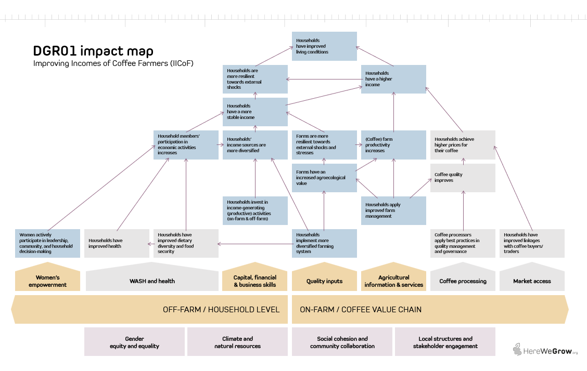
1) Improving Incomes of Coffee Farmers (IICoF) Theory of Change
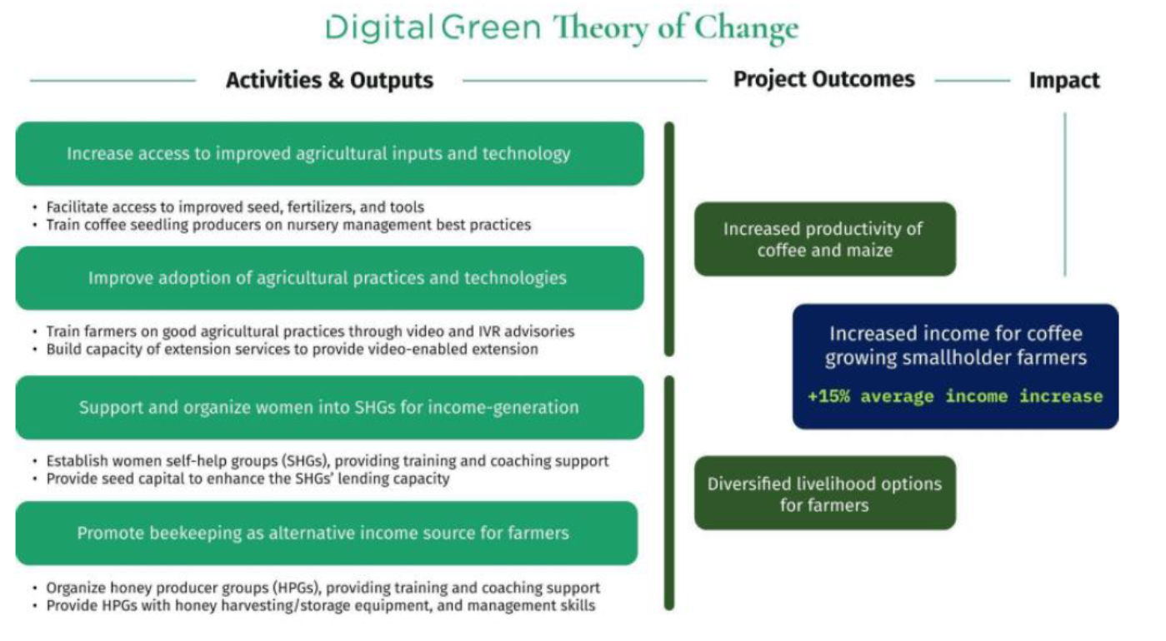

2) HereWeGrow Impact Map

Info
*Level of certainty (lowest of the four dimensions evidence strengths, precision of impact estimates, assumptions, and sensitivity):
Low Evidence strength: No direct measurement of household income or consumption expenditure. Income effects modeled from intermediate outcomes.
Weak evaluation design (observational, no counterfactual; small or non-representative samples).
Impact/outcome estimates from very different contexts (low generalizability).
Precision of impact estimates: Confidence interval (CI) width > 60% of point estimate or no CI reported at all. Point estimates not statistically significant.
Assumptions: Multiple key assumptions with high uncertainty (best guess).
Sensitivity: SROI values highly sensitive to key uncertain parameters. Small or plaussible variations (e.g. +/- 10-20%) in key parameters lead to large changes in SROI values or even a change in sign
Medium Evidence strength: Impact estimates based on self-reported income or validated proxy measures.
Observational or quasi-experimental evaluation design with some attempt at causal inference. Impact estimates from similar contexts or adapted with reasoning.
Precision of impact estimates: Moderately wide CI (CI width 30-60%). Borderline statistical significance of impact estimates.
Assumptions: Some substantiated assumptions (with some form of support based on available evidence or logical reasoning).
Sensitivity: SROI values are moderately sensitive to key parameters. Reasonable variation in inputs leads to noticeable but not decision-changing shifts in ROI.
High Evidence strength: Direct measurement of household consumption expenditure. Rigorous experimental/quasi-experimental design with strong causal identification. Impact estimates from coffee-growing households in East Africa or validated external validity.
Precision of impact estimates: Income estimates significant at 5% (p<0.05) with narrow confidence intervals (i.e., CI width < 31% of the point estimate).
Assumptions: All key assumptions are empirically grounded or sensitivity-tested.
Sensitivity: SROI values are robust to sensitivity analysis. Changes in inputs lead to only modest changes in SROI values, and conclusions remain consistent.

*Methodological rigor:
Fair Design and methods have significant limitations that reduce confidence in causal claims.
Good Design is generally appropriate, with clear and justified sampling and analytical methods, though some limitations remain Assumptions: Some substantiated assumptions (with some form of support based on available evidence or logical reasoning).
Excellent Rigorous design with well-documented, robust methods that effectively address potential biases and support strong causal inferences.

Impact measure*: The forecast does not provide data on total household income. Instead, it focuses on the intermediate outcome of adoption status of good agricultural practices. We assume yield effects of practice adoption to calcuate coffee revenues, costs associated with practice adoption to calculate coffee and maize profits and that changes in practices adoption do not affect other income-gernerating activities of the household, so that a change in coffee and maize profits translates directly into an equal change in total household income.

*Discount rate: When a program's costs and impacts are distributed across time, it is necessary to discount them back to their present value in the base year of the program to account for an organization's time preference for both costs and benefits. The social opportunity cost of capital (SOC) is used as the standard discount rate in this analysis, in part because the high variation and scarce data on time preference in the developing world makes it impossible to use people's social rate of time preference to establish a standard discount rate.
Looking at the median discount rate, calculated based on the SOC, across countries suggests that anything between 10-12 percent is a reasonable rate for discounting the costs and benefits of rural livelihoods programs in developing countries. We've chosen to set the discount rate to 10 percent to ensure consistency across all programs in the analysis. (For a list of discount rates used by various governments and organizations, see Table 2 of Dhaliwal et al., 2013.)

*Inflation: We present cash flows in real values, deflating coffee prices and labor costs (for the calculation of profits from coffee) as well as project costs back to real value in base year 2023, using average annual LCU inflation rate over time elapsed between base year and the incurrence of benefits/costs. We take the present value of these cash flows and then inflate forward to the year of analysis (2021), using average annual LCU inflation rate over time elapsed between base year and year of analysis. We selected 2021 as year of analysis because it aligns with the latest international poverty line and purchasing power parity (PPP) update (World Bank Group 2025).

*Non-implementation costs share: This parameter captures the share of the total project budget allocated to costs not directly related to project implementation — such as administrative overhead, institutional support functions, or organizational indirect costs applied by the implementing organization. We assume these costs are still necessary to replicate/expand the program. Moreover, the non-implementation costs share varies considerably between implementing organizations. Substracting these costs from the cost base would disadvantage lean/efficient organizations with a low non-implementation cost share. We therefore include non-implementation/indirect costs in the project costs in the base case.

*Yield benefit of GAP adoption without stumping: We have no evidence on the yield effect of the adoption of GAPs other than stumping. The UCAT RCT reportsof a TechnoServe coffee program ITT esimates on coffee yield per tree between 4.1% and 10.5% of a training program on regenerative agriculture practices in coffee including rejuvenation in Uganda. The current yield impact estimates are based solely on assumptions of Digital Green.
*Unstumped yield: The projected yield from TNS is underlying major assumptions that will be verified during a yield study conducted by IFRPI in 2026/2027 harvest season. For example, the average yield per productive tree in Gera and Gomma in Jimma (Technoserve C23 cohort) was found to be on average ~0,5 kg which is less than half of the reported 1,1kg in the TNS model.
*Yield benefit of stumping: For the yield benefit of stumping we follow results from a TNS yield study that compared the yield of unstumped and stumped trees on a small number of demo-plots over time. It is assumed that these effects reflect the yield benefit of stumping plus the adoption of other good agricultural practices. The HWG yield pilot study conducted with Laterite in Sidama during the third harvest after stumping found an unconditional impact of 40% of stumping on coffee yield. After accounting for complementary best practices, tree characteristics and location, coffee trees on stumped plots yield 21-23% more compared to trees on unstumped coffee plots. This is significantly lower than the findings of the TNS yield study. We still rely on the TNS study, as the HWG pliot yield study only covered one point in time.
*Dynamic yield benefits: We apply findings from a previous evaluation of TechnoServe's coffee training program in East Africa (IPE Tripe Line, 2017) to model the time path of impact. This allows us to approximate the return on the training over a period of 10 years. The Triple Line evaluation concluded that 63% of the improvement in practice adoption achieved by the end of the training period remained 5 years later. Assuming the decay in farmers' practice adoption is linear implies an annual decay of 7.3% of the initial improvement.
*Yield benefit of replanting / planting: Given current data constraints, our calculation relies on simplifying assumptions and distinguishes between two main use cases.
1. Uprooting and replanting of old coffee trees: We currently assume that 50% of planted seedlings are used to replace old, low-productivity coffee trees. For this group, we estimate a long-run yield increase of 25%.
2. Planting coffee on new areas (previously under other crops): For the remaining 50% of seedlings, we assume coffee is planted on land previously used for other crops. In this case, we apply yield estimates for unstumped coffee trees and subtract opportunity costs from foregone crop production. Based on field observations in Jimma, maize is currently used as the reference crop for estimating opportunity costs.
A third potential scenario—planting coffee seedlings within existing coffee fields to increase tree density—is not included in the analysis.
We acknowledge that these assumptions are strong. Base case yield estimates are taken from the unstumped coffee tree yields in TNS yield study while abstracting from potential heterogeneity in tree age, soil conditions, and complementary management practices. For example, TNS yield estimates are partly based on older trees, while coffee planted on former maize plots may face degraded soils, potentially limiting yield prospects. Under the current assumptions, planting on new land accounts for a substantial share of the estimated income potential.

