Summary
HWG Impact Model: | Village Enterprise - HARVEST

Overview

HWG Summary/Interpretation:
The SROI forecast model is based on previous evaluation data data from Village Enterprise RCTs. It estimates total benefits of ca. 4,6 Mio € and compares them to the implementation costs of ca. 2,2 Mio € (values are discounted and deflated to real 2021 €).
The preliminary SROI result of 2,5 shows that under the current assumptions, income effects achieved by the project will outperform the project investment after 3 years.
The estimated income impacts are based an RCT conducted in Uganda and Kenya in 2021 that found a 7% increase in consumption for Village Enterprise poverty graduation participants vs. control, as well as annual consumption data collected in Jimma region in 2023 as part of the Baseline data collection for a rigorous impact evaluation of another program financed by HWG.
A recent RCT of VE's graduation program in Uganda in 2026 showed a relative income increase of 17% which would result in a signficiantly higher SROI of 6,0
The sensitivity analysis shows that the program will likely break even: even under conservative assumptions, the SROI stays mostly above 1. However, due to the high costs per participating households there is a risk of no break-even under the most conservative assumptions. Under a more optimistic scenario substantiated by recent studies, the SROI could increase substantially to above 5.
Project name | Village Enterprise's Poverty Graduation Approach in Coffee Farming in Ethiopia
Implementing partner | Village Enterprise
Evaluation partner | IPA; PIRC
Project country | Ethiopia
Project region | Kaffa
Project duration | 11/2025 - 03/2029
Objective | Integrates business training, seed capital grants, business mentoring, and business savings groups, fostering sustainable micro-enterprise development, income diversification and resilience-building among individuals living in coffee-producing areas.
Budget (2025 nominal EUR) | 2,826,786.95 €
Outreach | 8,100 | Households
Date of Analysis / Version | June 2026
Author | Marlene Gutiérrez

SROI
*Level of certainty: Medium
Evidence strength: Direct measurement of household consumption expenditure. Rigorous experimental/quasi-experimental design with strong causal identification. Impact estimates from households in East Africa with validated external validity.
Precision of impact estimates: Income estimates significant at 5% (p<0.05) with narrow confidence intervals (i.e., CI width < 31% of the point estimate).
Assumptions: Some substantiated assumptions (with some form of support based on available evidence or logical reasoning).
Sensitivity: SROI values are moderately sensitive to key parameters. Reasonable variation in inputs leads to noticeable but not decision-changing shifts in ROI.
Total SROI (10 year time frame) | 2.5
Type | Forecast
Level of certainty* | Medium
Data Source of Impact Estimates | Development Impact Bond Evaluation - 2021
 | DREAMS Ethiopia Endline Report 1
SROI thresholds
Sensitivity Analysis (most influential parameter set) | Baseline Income; Expected additional net asset value per HH (in 2021 USD) + Income effect
Conservative SROI | 2.0
Optimistic SROI | 6.2

Details of HWG Evaluation (HARVEST Project)

*Methodological rigor: Excellent
Rigorous design with well-documented, robust methods that effectively address potential biases and support strong causal inferences.
Evaluation methodology | Cluster randomized controlled trial, Saturation design
Primary outcome | Increase in income proxied by consumption expenditure
Income measurement | Measured via consumption module
Sample size per cohort | 3360 (1600 per cohort plus 160 attrition)
Study population | Households residing in project Villages
Methodological rigor* | Excellent

Findings on other outcomes

TBD | Other outcomes will include 1. Assets 2. Reinvestment of additional income in the coffee production activities 3. Households well-being and agency 3. Spillover effects on non-participating households in project Villages

Present Value vs Costs

Present Value vs. Costs per Household
Present Value vs. Project Costs

PV per HH | 667 € |  | Present Value (in 2021 EUR) | 5,403,968 €
Costs per HH | 269 € |  | Project Costs discounted (in 2021 EUR) | 2,175,868 €
NPV per HH | 399 € |  | Net Present Value (in 2021 EUR) | 3,228,100 €

* Definitions see tab "Info"

ToC
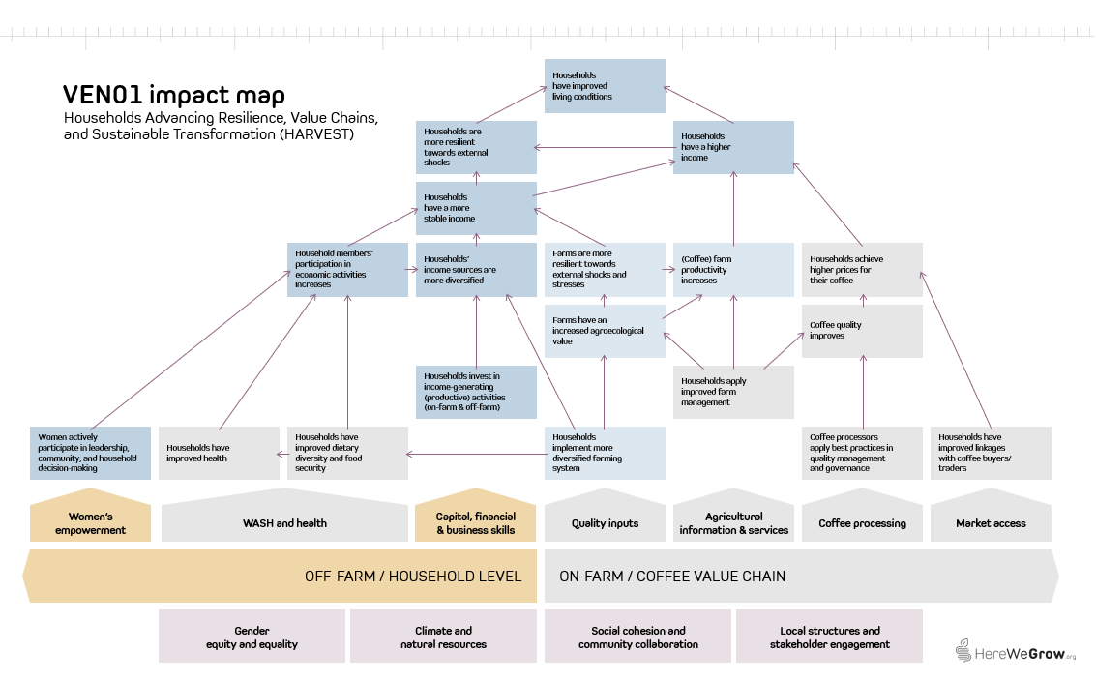
1) HARVEST Theory of Change

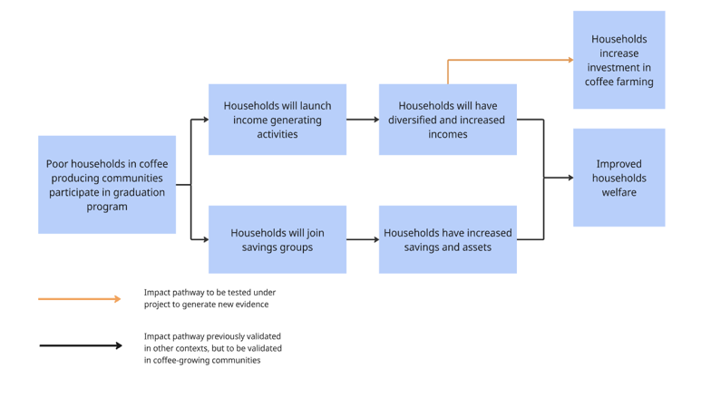

2) Village Enterprise core approach Theory of Change

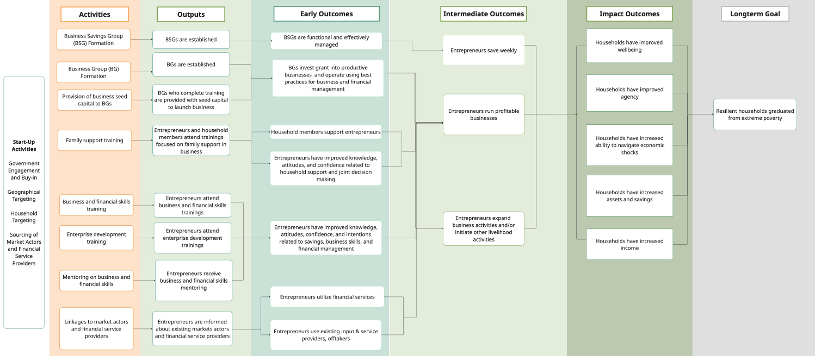

3) HereWeGrow Impact Map

Info
*Level of certainty (lowest of the four dimensions evidence strengths, precision of impact estimates, assumptions, and sensitivity):
Low Evidence strength: No direct measurement of household income or consumption expenditure. Income effects modeled from intermediate outcomes.
Weak evaluation design (observational, no counterfactual; small or non-representative samples).
Impact/outcome estimates from very different contexts (low generalizability).
Precision of impact estimates: Confidence interval (CI) width > 60% of point estimate or no CI reported at all. Point estimates not statistically significant.
Assumptions: Multiple key assumptions with high uncertainty (best guess).
Sensitivity: SROI values highly sensitive to key uncertain parameters. Small or plaussible variations (e.g. +/- 10-20%) in key parameters lead to large changes in SROI values or even a change in sign
Medium Evidence strength: Impact estimates based on self-reported income or validated proxy measures.
Observational or quasi-experimental evaluation design with some attempt at causal inference. Impact estimates from similar contexts or adapted with reasoning.
Precision of impact estimates: Moderately wide CI (CI width 30-60%). Borderline statistical significance of impact estimates.
Assumptions: Some substantiated assumptions (with some form of support based on available evidence or logical reasoning).
Sensitivity: SROI values are moderately sensitive to key parameters. Reasonable variation in inputs leads to noticeable but not decision-changing shifts in ROI.
High Evidence strength: Direct measurement of household consumption expenditure. Rigorous experimental/quasi-experimental design with strong causal identification. Impact estimates from coffee-growing households in East Africa or validated external validity.
Precision of impact estimates: Income estimates significant at 5% (p<0.05) with narrow confidence intervals (i.e., CI width < 31% of the point estimate).
Assumptions: All key assumptions are empirically grounded or sensitivity-tested.
Sensitivity: SROI values are robust to sensitivity analysis. Changes in inputs lead to only modest changes in SROI values, and conclusions remain consistent.

*Methodological rigor:
Fair Design and methods have significant limitations that reduce confidence in causal claims.
Good Design is generally appropriate, with clear and justified sampling and analytical methods, though some limitations remain
Excellent Rigorous design with well-documented, robust methods that effectively address potential biases and support strong causal inferences.

*Discount rates: When a program's costs and impacts are distributed across time, it is necessary to discount them back to their present value in the base year of the program to account for an organization's time preference for both costs and benefits. The social opportunity cost of capital (SOC) is used as the standard discount rate in this analysis, in part because the high variation and scarce data on time preference in the developing world makes it impossible to use people's social rate of time preference to establish a standard discount rate.
Looking at the median discount rate, calculated based on the SOC, across countries suggests that anything between 10-12 percent is a reasonable rate for discounting the costs and benefits of rural livelihoods programs in developing countries. We've chosen to set the discount rate to 10 percent to ensure consistency across all programs in the analysis. (For a list of discount rates used by various governments and organizations, see Table 2 of Dhaliwal et al., 2013.)

*Inflation: We present cash flows in real values, deflating coffee prices and labor costs (for the calculation of profits from coffee) as well as project costs back to real value in base year 2025, using average annual LCU inflation rate over time elapsed between base year and the incurrence of benefits/costs. We take the present value of these cash flows and then inflate forward to the year of analysis (2021), using average annual LCU inflation rate over time elapsed between base year and year of analysis. We selected 2021 as year of analysis because it aligns with the latest international poverty line and purchasing power parity (PPP) update (World Bank Group 2025).

*Non-implementation costs share: This parameter captures the share of the total project budget allocated to costs not directly related to project implementation — such as administrative overhead, institutional support functions, or organizational indirect costs applied by the implementing organization. In the base case, this share is set to 0%, meaning the full budget is treated as the cost base for the SROI calculation. This is the most conservative assumption, as it results in the highest total costs relative to impact and therefore the lowest SROI.
Applying a non-implementation cost share reduces the effective cost base by excluding the portion of the budget not directly needed for implementating the program. Higher values therefore result in a higher SROI.

