Summary
HWG Impact Model: | Sidama Coffee Agronomy Program

Overview
HWG Summary/Interpretation:
The model compares the estimated total benefits of 2.3M EUR with the implementation costs of 1.9M EUR (values are discounted and deflated to real 2021 EUR).
The total prject SROI of 1.2 indicates that under base assumptions, program benefits roughly equal project costs. Looking at the implementation cohorts separately, the SROI for the 2019-cohort is 1.3 and for the 2020-cohort it is 1.1. The higher number of trees stumbed (possibly due to stumping incentives distributed in C2020) does not offset the negative effect of lower tree productivity in C2020 households.
Low uptake and intensity of stumping and small changes in overall farm management limit the program's potential to meaningfully increase coffee net profits for participating households.
Results from sensitivity analysis suggest that in order to improve cost-effectiveness the program has to further increase the adoption rate and intensity of stumping.
The SROI quickly drops below 1 (break-even point) when more conserative assumptions are used. Thus, we conclude that the program should not be replicated under the same conditions. The returns to future programming may be increased through deliberate targeting of larger coffee farms (as farm households with larger coffee area and number of coffee trees are more likely to adopt stumping and stump relatively larger number of coffee trees), adding additional components that can increase the adoption rate and intensity of stumping by addressing other binding constreaints to best practice (BP) adoption.
Project name | Sidama Coffee Agronomy Program
Implementing partner | TechnoServe
Evaluation partner | Laterite | IFPRI
Project country | Ethiopia
Project region | Sidama
Project duration | 01/2019 - 04/2023
Objective | To improve coffee productivity and resilience by promoting regenerative agricultural practices
Budget (2023 nominal USD) | 4,576,452 USD
Outreach | 42,402 trained households
Date of Analysis / Version | Jul-26
Author | Sarah Wiegel

SROI
*Level of certainty: Low
Medium data quality: Additional net profit from coffee is modelled based on changes in the adoption of agricultural best practices. Count of number of stumped trees, farmer-reported adoption of other practices with in-field verification; adoption metrics are not always well-defined and data on adoption intensity is not collected.
Low precision: Confidence interval (CI) width > 60% of point estimate of the effect of attending at least 50% of the key training topics on the adoption of four or more practices.
Uncertain assumptions: Modelling the additional net profit from coffee required several assumptions (e.g. yield benefit of practices, input needed for practice adoption, future development of coffee prices). These assumptions are based on selective monitoring data, expert opinions and sometimes best guesses. There is also little evidence supporting the assumed adoption rates and yield benefits over time.
Total SROI | 1.2
Type | Evaluative
SROI per cohort
C2019: | 1.3
C2020: | 1.1

Level of certainty* | Low
Data source of impact estimates | IFPRI Final Impact Report

Sensitivity analysis (parameters to determine lower- and upper-bound SROI estimates) | Average coffee price change + Yield benefit of stumping+Yield benefit of other BP adoption
Lower-bound SROI | 0.1
Upper-bound SROI | 1.6

HWG Evaluation

*Methodological rigor: Low
The study involves no comparison group. Trained households in treatment kebeles are compared with untrained households before and after the program. Spillove effects of the program, which could be substantial, are not considered.
Evaluation methodology | Matched difference-in-difference (comparing trained and untrained households in treatment area)
Primary outcome | Adoption status of trained agricultural practices
Income measurement | modeled based on adoption data
Sample size per cohort | C2019: 893 households in 34 kebeles
 | C2020: 932 households in 49 kebeles
Study population | Coffee-cultivating households that are members in Development Groups (GDs) and reside in project kebeles
Methodological rigor* | Fair

Findings on other outcomes

based on before-after comparison
Savings | In C2019, almost half (44%) of households were not using any savings method at endline, unchanged from baseline. In C2020, more than half (55%) of the surveyed households were not using any savings method at endline, a non-significant change from baseline.
Financial shocks | In C2019, at endline, more than a third of households (36%) reported that they have been affected by at least one serious financial shock in the past year, compared to just 20% at baseline. COVID-19 may have had an impact on households during 2020/21. In C2020, at endline, less than a fifth (15%) of households reported to have been affected by at least one serious financial shock in the past year, compared to 38% at baseline.
Food security | In C2019, 45% reported having suffered from a food shortage in the past year, compared to 68% at baseline. In C2020, over half (56%) of the households reported facing food shortages over the last year. This is higher than at baseline, where the figure was 36%.

Present Value vs Costs
Present Value vs. Costs per Household
Share of Project Component in Total Present Value per Household

PV per HH C19 | 39 € |  |  | C19 | C20
PV per HH C20 | 71 € |  | GAPs besides Stumping | 12 € | 7 €
PV per HH combined | 54 € |  | Stumping | 27 € | 64 €
Costs per HH | 41 €
NPV per HH | 14 €

Present Value vs. Project Costs

C2019 | Project Costs discounted (in 2021 EUR) | 669,221 €
 | Present Value (in 2021 EUR) | 873,491 €
 | Net Present Value (in 2021 EUR) | 204,270 €
C2020 | Project Costs discounted (in 2021 EUR) | 1,270,701 €
 | Present Value (in 2021 EUR) | 1,427,455 €
 | Net Present Value (in 2021 EUR) | 156,755 €
Total | Project Costs discounted (in 2021 EUR) | 1,939,922 €
 | Present Value (in 2021 EUR) | 2,300,946 €
 | Net Present Value (in 2021 EUR) | 361,024 €

*Detailed definitions are given under the tab "Info"

ToC
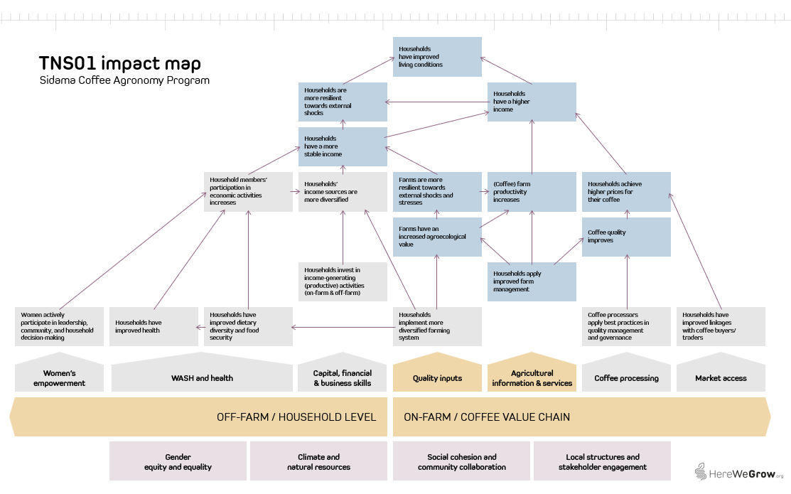
1) Sidama Coffee Agronomy Program Theory of Change

2) HereWeGrow Impact Map

Sensitivity analysis
Sensitivity analysis
Point Data Table row/column input cells at the blue cells below. Base case reproduces the original model.

Driver | Value | Base | Note
Discount rate | 10% | 10% | Master input. SROI discounting reads this cell.
Yield effect adopting >=4 BPs | 10% | 10% | Master input
Coffee price change | 0% | 0% | Master input
Yield effect of stumping (% of base) | 100% | 100% | Multiplier on difference between stumped and unstumped yield. 100% = base.
Annual effect decay/increase | -7% | -7% | Master input
Non-implementation cost share deducted | 17% | 17% | Master input. Deducted from annual budget.

SROI | 1.2
SROI with different non-implementation cost shares deducted from total grant amount
SROI under different discount rates
Discount rate | SROI | NICSH | NICSH | SROI |  |  |  |  | NICSH | SROI
0 | 1.9 | 0% | 0% | 1.0 |  |  |  |  | 0% | 0.98
0.05 | 1.5 | 10% | 10% | 1.1 |  |  |  |  | 10% | 1.09
0.1 | 1.2 | 17% | 17% | 1.2 |  |  |  |  | 17% | 1.18
0.15 | 1.0

Discount rate: Not discounting project benefits and costs would increase the SROI to 1.93.
Non-implementation cost share: The project budget includes 17% indirect costs. Including these costs in the cost base for the SROI calculation reduces SROI only slightly to 0.98.

Coffee yield effect of stumping adoption and other practices besides stumping: If only 90% of the assumed yield effect of stumping materialize, the yield effect of adopting other practices has to be a least 15%. Under optimistic assumptions of yield effects of stumping as described in the base case and a 30% yield effect due to other BP adoption, SROI increases to 1.6. |  |  |  | Estimated coffee yield effect of adopting >=4 BPs
 |  |  | 1.19 | 5% | 10% | 15% | 20% | 25% | 30%
 |  | Yield effect of stumping (% of base) | 50% | 0.0 | 0.1 | 0.2 | 0.3 | 0.4 | 0.5
 |  |  | 60% | 0.1 | 0.2 | 0.3 | 0.4 | 0.5 | 0.6
 |  |  | 70% | 0.3 | 0.4 | 0.5 | 0.6 | 0.7 | 0.8
 |  |  | 80% | 0.5 | 0.6 | 0.7 | 0.8 | 0.9 | 1.0
 |  |  | 90% | 0.8 | 0.9 | 1.0 | 1.1 | 1.2 | 1.3
 |  |  | 100% | 1.1 | 1.2 | 1.3 | 1.4 | 1.5 | 1.6

Dynamic treatment effects: Varying how the treatment effect on adoption differs over time has a neglible effect on SROI. Low effects of the intervention on BP adoption measured at endline mean that even if effects increase by 10% annually, SROI would only increase by 0.1 to 1.3. |  |  | Annual effect decay/increase | SROI
 |  |  |  | 1.2
 |  |  | -15% | 1.1
 |  |  | -10% | 1.2
 |  |  | -7% | 1.2
 |  |  | -5% | 1.2
 |  |  | -3% | 1.2
 |  |  | 0% | 1.3
 |  |  | 3% | 1.3
 |  |  | 10% | 1.4

Coffee price development: Average coffee prices only have an effect on SROI if at leat 70% of the assumed yield effect of stumping materialize. In the base case of 100% realization of the TNS-based yield impact, the SROI ranges from 0.9 at a 30% price decrease to 1.5 at a 30% price increase. |  |  |  | Average coffee price change
 |  | Yield effect of stumping (% of base) | 1.2 | -30% | -20% | -10% | 0% | 10% | 20% | 30%
 |  |  | 50% | 0.1 | 0.1 | 0.1 | 0.1 | 0.1 | 0.1 | 0.1
 |  |  | 60% | 0.1 | 0.2 | 0.2 | 0.2 | 0.2 | 0.2 | 0.2
 |  |  | 70% | 0.3 | 0.3 | 0.3 | 0.4 | 0.4 | 0.4 | 0.4
 |  |  | 80% | 0.4 | 0.5 | 0.5 | 0.6 | 0.6 | 0.7 | 0.7
 |  |  | 90% | 0.6 | 0.7 | 0.8 | 0.9 | 0.9 | 1.0 | 1.1
 |  |  | 100% | 0.9 | 1.0 | 1.1 | 1.2 | 1.3 | 1.4 | 1.5

This sensitivity analysis varies the parameters where we have most uncertainty about. Overall, SROI remains around 1. Under the most optimistic assumptions SROI increases to 1.6. Under more conserative assumptions SROI drops below 1 which means that project costs exceed project benefits.

What would have needed to happen to achieve an SROI of 2 or better?
Result column does not update automatically, Goal Seek Method applied to determine results

Driver | Cohort | Base | Value |  | This analysis shows that stumping adoption and/or intensity are the project outcomes that mainly drive SROI. The adoption of other practices would have to increase to impossibly high levels in C2020 to achieve an SROI of 2. The number of stumped trees would roughly have to double to achieve an SROI of 2. This seems more feasible but even stumping incentives introduced in C2020 didn't bring up stumping adoption or intensity to the required level.
Increase in adoption rate of other practices than stumping | C2019 | 12% | 33%
 | C2020 | 11% | 93%
Number of additional coffee trees stumped per hh during project period | C2019 | 11 | 19
 | C2020 | 24 | 51

Info
*Level of certainty (lowest of the four dimensions evidence strengths, precision of impact estimates, assumptions, and sensitivity):
Low Evidence strength: No direct measurement of household income or consumption expenditure. Income effects modeled from intermediate outcomes.
Weak evaluation design (observational, no counterfactual; small or non-representative samples).
Impact/outcome estimates from very different contexts (low generalizability).
Precision of impact estimates: Confidence interval (CI) width > 60% of point estimate or no CI reported at all. Point estimates not statistically significant.
Assumptions: Multiple key assumptions with high uncertainty (best guess).
Sensitivity: SROI values highly sensitive to key uncertain parameters. Small or plaussible variations (e.g. +/- 10-20%) in key parameters lead to large changes in SROI values or even a change in sign
Medium Evidence strength: Impact estimates based on self-reported income or validated proxy measures.
Observational or quasi-experimental evaluation design with some attempt at causal inference. Impact estimates from similar contexts or adapted with reasoning.
Precision of impact estimates: Moderately wide CI (CI width 30-60%). Borderline statistical significance of impact estimates.
Assumptions: Some substantiated assumptions (with some form of support based on available evidence or logical reasoning).
Sensitivity: SROI values are moderately sensitive to key parameters. Reasonable variation in inputs leads to noticeable but not decision-changing shifts in ROI.
High Evidence strength: Direct measurement of household consumption expenditure. Rigorous experimental/quasi-experimental design with strong causal identification. Impact estimates from coffee-growing households in East Africa or validated external validity.
Precision of impact estimates: Income estimates significant at 5% (p<0.05) with narrow confidence intervals (i.e., CI width < 31% of the point estimate).
Assumptions: All key assumptions are empirically grounded or sensitivity-tested.
Sensitivity: SROI values are robust to sensitivity analysis. Changes in inputs lead to only modest changes in SROI values and conclusions remain consistent.

*Methodological rigor:
Low Design and methods have significant limitations that reduce confidence in causal claims.
Medium Design is generally appropriate, with clear and justified sampling and analytical methods, though some limitations remain
High Rigorous design with well-documented, robust methods that effectively address potential biases and support strong causal inferences.
*Impact measure: The evaluation does not provide data on total household income. Instead, it focuses on the intermediate outcome of adoption status of agricultural best practices. We assume yield effects of practice adoption to calcuate coffee revenues, costs associated with practice adoption to calculate coffee profits.

*Discount rate: When a program's costs and impacts are distributed across time, it is necessary to discount them back to their present value in the base year of the program to account for an organization's time preference for both costs and benefits. The social opportunity cost of capital (SOC) is used as the standard discount rate in this analysis, in part because the high variation and scarce data on time preference in the developing world makes it impossible to use people's social rate of time preference to establish a standard discount rate.
Looking at the median discount rate, calculated based on the SOC, across countries suggests that anything between 10-12 percent is a reasonable rate for discounting the costs and benefits of rural livelihoods programs in developing countries. We've chosen to set the discount rate to 10 percent to ensure consistency across all programs in the analysis. (For a list of discount rates used by various governments and organizations, see Table 2 of Dhaliwal et al., 2013.)

*Accounting for inflation: We present cash flows in real vaules, deflating coffee prices and labor costs (for the calculation of profts from coffee) as well as project costs back to real value in base year (2018 for C2019 and 2019 for C2020), using average annual LCU inflation rate over time elapsed between base year and the incurrence of benefits/costs. We take the present value of these cash flows and then inflate forward to the year of analysis (2021), using average annual LCU inflation rate over time elapsed between base year and year of analysis. We selected 2021 as year of analysis because it aligns with the latest international poverty line and purchasing power parity (PPP) update (World Bank Group 2025).

*Non-implementation costs share: This parameter captures the share of the total project budget allocated to costs not directly related to project implementation — such as administrative overhead, institutional support functions, or organizational indirect costs applied by the implementing organization. We assume these costs are not directly related to implementing the program and therefore exclude non-implementation/indirect costs from the considered project costs in the base case.

*Yield benefit of GAP adoption without stumping: We have no evidence on the yield effect of the adoption of GAPs other than stumping. The UCAT RCT reports ToT esimates on coffee yield per tree between 8.2% and 18.1% of a training program on regenerative agriculture practices in coffee including rejuvenation in Uganda. We assume that yield effects start one year after the start of programming (as it takes 1 year to cover all training topics).
*Yield effect of stumping: For the yield benefit of stumping we follow results from a TNS yield study that compared the yield of unstumped and stumped trees on a small number of demo-plots over time. It is assumed that these effects reflect the yield benefit of stumping plus the adoption of other good agricultural practices. The HWG yield pilot study conducted with Laterite in Sidama during the third harvest after stumping found an unconditional impact of 40% of stumping on coffee yield. After accounting for complementary best practices, tree characteristics and location, coffee trees on stumped plots yield 21-23% more compared to trees on unstumped coffee plots. This is significantly lower than the findings of the TNS yield study. We still rely on the TNS study, as the HWG pliot yield study only covered one point in time.
*Practice adoption over time: The available evaluation data does not allow us to estimate the dynamic effects of the CFC on practice adoption - it is possible that the effects became either stronger or weaker over time. We apply findings from a previous evaluation of TechnoServe's coffee training program in East Africa (IPE Tripe Line, 2017) to model the time path of impact. This allows us to approximate the return on the training over a period of 10 years. The Triple Line evaluation concluded that 63% of the improvement in practice adoption achieved by the end of the training period remained 5 years later. Assuming the decay in farmers' practice adoption is linear implies an annual decay of 7.3% of the initial improvement.
Spillover effects: The Coffee Farm College could lead to positive spillover effects among participating and non-participating households. Participating households may apply their BP knowledge to other crops. Non-participating households may learn about BPs through knowledge sharing and start applying BPs on their (coffee) plots. The presence of the TNS Coffee Farm College can also inflluence local markets and labor demand. There is limited and mixed evidence on the direction and magnitude of spillover effects of agricultural extension programs. An RCT of an TNS agronomy training program among Rwandan coffee farmers finds no evidence of social diffusion of BP knoweldge; instead control households experienced negative spillovers, likely because of competition for scarce inputs, such as inorganic fertilizer and labor (Duflo et al., 2026). Therefore, we do not consider (positive and/or negative) spillover effects in SROI calculation.

