Summary
HWG Impact Model: | Pathways Out of Poverty

Overview

HWG Summary/Interpretation:
The model compares the estimated total benefits of 20.7M EUR with the implementation costs of 3.2M EUR (values are discounted and deflated to real 2021 EUR).
Under base case assumptions the model shows large positive returns - for every EUR invested, 9.1 EUR additional household income are created.
The model uses data from the Laterite baseline sample of coffee-farming households. RTV's own monitoring data sampled from all project participants (including non-coffee-farming households) show much higher levels of deprivation.
Project name | Pathways out of poverty
Implementing partner | Raising The Village (RTV)
Evaluation partner | Laterite
Project country | Uganda
Project region | Kitagwenda and Rakai districts
Project duration | 01/2024-12/2026
Objective | Enhance the economic well-being of last-mile, subsistence farmers living in ultra-poverty by increasing household income and earnings to $2 USD/day within 24 months – with prioritization of the most vulnerable households, particularly those headed by women and youth
Budget (2024 nominal EUR) | 3,029,873.21 €
Outreach (number of households) | 27,600
Date of Analysis / Version | Jul-26
Author | Sarah Wiegel

SROI
*Level of certainty: Medium
Evidence strength: Household consumption expenditure measurement in rigorous experimental design. Study conducted in ultra-poor communities in Uganda (districts differ from program intervention districts). RTV program design differed from current design (livestock asset transfer; no coffee focus)
Precision of impact estimates: Income estimates significant at 5% (p<0.05) with narrow confidence intervals (i.e., CI width < 31% of the point estimate).
Assumptions: Empirically gorunded assumptions on expected income increase and long-term income effects of RTV or other graduation programs.
Sensitivity: Varying the baseline income or program impact estimates lead to noticeable changes in SROI. Yet, the program remains cost-effective in most sceanrios.
Total SROI | 9.1
Type | Forecast
Level of certainty* | Medium
Data source of impact estimates | Mahmud, M. & E. Riley (2025): "'We're All in This Together': Experimental Evidence from a Universal Livelihoods Program", Unpublished manuscript.

Sensitivity analysis (parameters to determine lower- and upper-bound SROI estimates) | Baseline income + expected income increase
Lower-bound SROI | 0.9
Upper-bound SROI | 9.1

HWG evaluation
*Methodological rigor: Excellent
Rigorous design with well-documented, robust methods that effectively address potential biases and support strong causal inferences.
Evaluation methodology | Stepped-wedge clustered RCT with the parish as cluster unit (with a sequential roll-out of program activities, future cohorts are used as controls for earlier cohorts)
Primary outcome | Household consumption expenditure
Income measurement | Farm manager's self-reported recall data on (coffee sales volume x coffee price - input costs) + (sales volume by crop x price of crop - input costs) + revenues from sales of animal byproducts + profits from non-farm businesses + wage income from casual labor of household members + net salary from formal wage employment of household members [+ profits from animal sales]
Sample size | 1,260 households in 42 parishes
Study population | Coffee-cultivating households that reside in project parishes
Methodological rigor* | Excellent

Findings on other outcomes

Quality of life (Cantrill ladder) | Results expected in Februray 2027 (midline) and February 2029 (endline)
Health | Results expected in Februray 2027 (midline) and February 2029 (endline)
Access to improved water sources | Results expected in Februray 2027 (midline) and February 2029 (endline)

Present Value vs Costs

Present Value vs. Costs per Household (in real 2021 EUR)
Present Value vs. Project Costs (in real 2021 EUR)
Present Value | 20,680,925 €
Net Present Value | 17,481,998 €

PV per HH | 749 € | Project Costs discounted | 2,265,907 €
Costs per HH | 116 € | Present Value | 20,680,925 €
NPV per HH | 633 € | Net Present Value | 17,481,998 €

* Definitions see tab "Info"

ToC
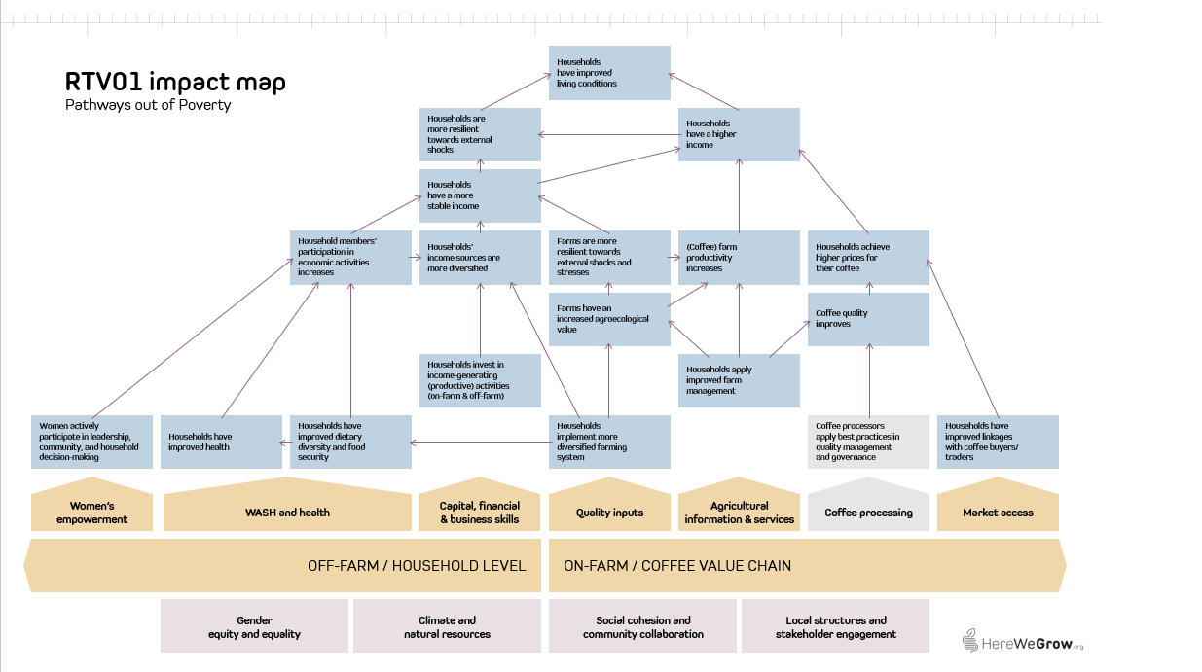
1) Pathways out of Poverty - Theory of Change
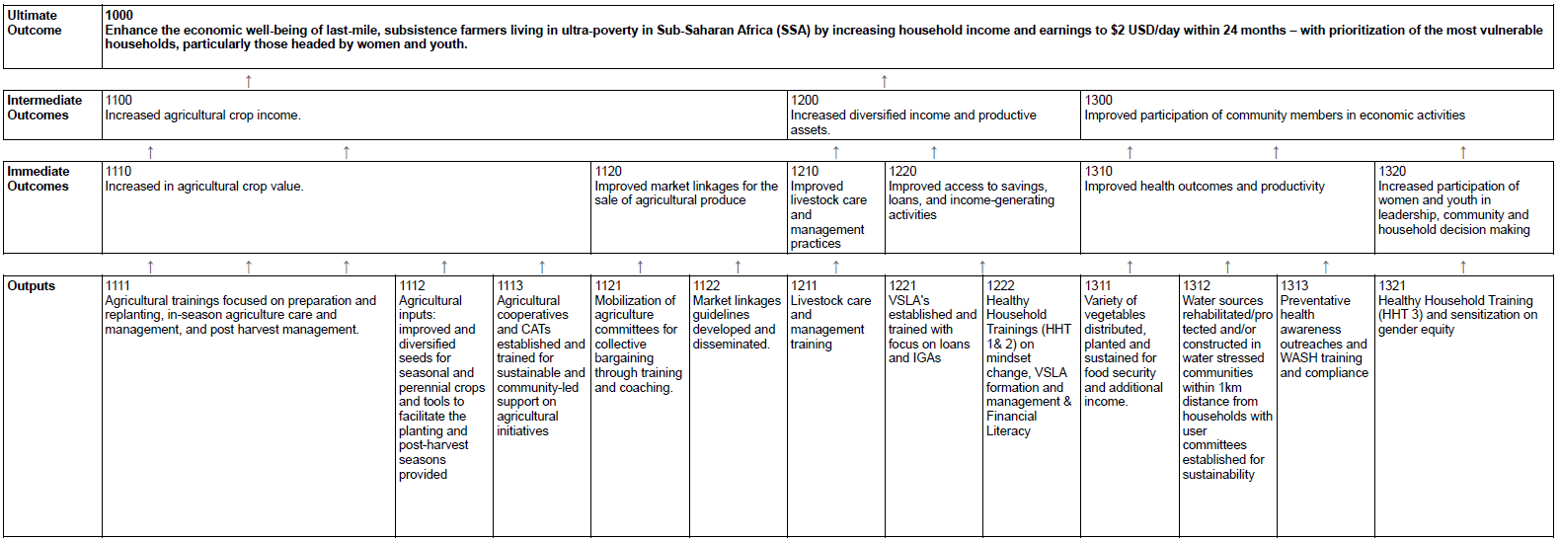

2) HereWeGrow Impact Map

Sensitivity analysis
Sensitivity analysis
Point Data Table row/column input cells at the blue cells below. Base case reproduces the original model.

Driver | Value | Base | Note
Discount rate | 10% | 10% | Master input. Assumptions reads this cell.
Baseline household income (2024 UGX) | 6,764,419 | 6,764,419 | Master input. Assumptions reads this cell.
Expected income increase (Yr 3) | 10% | 10% | Master input. Assumptions reads this cell.
Annual effect decay/increase | 3% | 3% p.a. (Year 4-6) | Master input
Non-implementation cost share deducted | 9% | 9% | Master input. 9% are deducted from annual budget.

SROI base scenario | 9.1
SROI under different discount rates
SROI with different non-implementation cost shares deducted from total grant amount
Discount rate | SROI |  | NICS | SROI
15% | 7.6 |  | 10% | 9.2
10% | 9.1 |  | 9% | 9.1
5% | 11.3 |  | 0% | 8.3
0% | 14.3

Discount rate: Not discounting project benefits and costs would increase the SROI to 14.3.
Non-implementation cost share: The project budget includes 9% indirect costs. Including these costs in the cost base for the SROI calculation reduces SROI to 8.3.

Baseline income and expected income increase: The project generates positive and meaningful returns in most scenarios. Even under a conservative scenario of a 5% increase in median household consumption (the cited RCT demonstrates a 10% increase in mean hh consumption and a 26% increase in mean household income), SROI stays positive with a baseline household income of at least 1.5 mio UGX (~375 EUR). Households that are poorer at project start (RTV's own baseline surveys show mean annual household incomes as low as 675,000 UGX) require greater relative income gains of at least 15% to achieve a posititve SROI. |  |  |  | Median Baseline income (2024 UGX)
 |  |  | 9.1 | 675,000 | 1,000,000 | 3,058,000 | 6,000,000 | 6,764,419 | 9,000,000
 |  |  | 5% | 0.5 | 0.8 | 2.4 | 4.7 | 5.3 | 7.0
 |  | Expected income increase | 10% | 0.9 | 1.3 | 4.1 | 8.1 | 9.1 | 12.1
 |  |  | 15% | 1.3 | 1.9 | 5.9 | 11.5 | 13.0 | 17.3
 |  |  | 20% | 1.7 | 2.5 | 7.6 | 15.0 | 16.9 | 22.4
 |  |  | 25% | 2.1 | 3.1 | 9.4 | 18.4 | 20.7 | 27.6
 |  |  | 30% | 2.5 | 3.6 | 11.1 | 21.8 | 24.6 | 32.7
 |  |  | 50% | 4.0 | 5.9 | 18.1 | 35.5 | 40.1 | 53.3
 |  |  | 100% | 7.9 | 11.6 | 35.6 | 69.8 | 78.7 | 104.8

Dynamic treatment effects: Varying how the treatment effect on adoption differs over time has a neglible effect on SROI. Low effects of the intervention on BP adoption measured at endline mean that even if effects increase by 10% annually, SROI would only increase by 0.1 to 1.3. |  |  |  | SROI
 |  |  |  | 9.1
 |  |  | -15% | 6.7
 |  |  | -10% | 7.3
 |  |  | -5% | 8.0
 |  |  | -3% | 8.2
 |  |  | 0% | 8.7
 |  |  | 3% | 9.1
 |  |  | 10% | 10.3

Info
*Level of certainty (lowest of the four dimensions evidence strengths, precision of impact estimates, assumptions, and sensitivity):
Low Evidence strength: No direct measurement of household income or consumption expenditure. Income effects modeled from intermediate outcomes.
Weak evaluation design (observational, no counterfactual; small or non-representative samples).
Impact/outcome estimates from very different contexts (low generalizability).
Precision of impact estimates: Confidence interval (CI) width > 60% of point estimate or no CI reported at all. Point estimates not statistically significant.
Assumptions: Multiple key assumptions with high uncertainty (best guess).
Sensitivity: SROI values highly sensitive to key uncertain parameters. Small or plaussible variations (e.g. +/- 10-20%) in key parameters lead to large changes in SROI values or even a change in sign
Medium Evidence strength: Impact estimates based on self-reported income or validated proxy measures.
Observational or quasi-experimental evaluation design with some attempt at causal inference. Impact estimates from similar contexts or adapted with reasoning.
Precision of impact estimates: Moderately wide CI (CI width 30-60%). Borderline statistical significance of impact estimates.
Assumptions: Some substantiated assumptions (with some form of support based on available evidence or logical reasoning).
Sensitivity: SROI values are moderately sensitive to key parameters. Reasonable variation in inputs leads to noticeable but not decision-changing shifts in ROI.
High Evidence strength: Direct measurement of household consumption expenditure. Rigorous experimental/quasi-experimental design with strong causal identification. Impact estimates from coffee-growing households in East Africa or validated external validity.
Precision of impact estimates: Income estimates significant at 5% (p<0.05) with narrow confidence intervals (i.e., CI width < 31% of the point estimate).
Assumptions: All key assumptions are empirically grounded or sensitivity-tested.
Sensitivity: SROI values are robust to sensitivity analysis. Changes in inputs lead to only modest changes in SROI values, and conclusions remain consistent.

*Methodological rigor:
Fair Design and methods have significant limitations that reduce confidence in causal claims.
Good Design is generally appropriate, with clear and justified sampling and analytical methods, though some limitations remain.
Excellent Rigorous design with well-documented, robust methods that effectively address potential biases and support strong causal inferences.

*Discrount rate: When a program's costs and impacts are distributed across time, it is necessary to discount them back to their present value in the base year of the program to account for an organization's time preference for both costs and benefits. The social opportunity cost of capital (SOC) is used as the standard discount rate in this analysis, in part because the high variation and scarce data on time preference in the developing world makes it impossible to use people's social rate of time preference to establish a standard discount rate.
Looking at the median discount rate, calculated based on the SOC, across countries suggests that anything between 10-12 percent is a reasonable rate for discounting the costs and benefits of rural livelihoods programs in developing countries. We've chosen to set the discount rate to 10 percent to ensure consistency across all programs in the analysis. (For a list of discount rates used by various governments and organizations, see Table 2 of Dhaliwal et al., 2013.)

*Inflation: We present cash flows in real values, deflating both income effects as well as project costs back to real value in base year 2024, using average annual LCU inflation rate over time elapsed between base year and the incurrence of benefits/costs. We take the present value of these cash flows and then deflate back to the year of analysis (2021), using average annual LCU inflation rate over time elapsed between base year and year of analysis. We selected 2021 as year of analysis because it aligns with the latest international poverty line and purchasing power parity (PPP) update (World Bank Group 2025).

*Non-implementation costs share: This parameter captures the share of the total project budget allocated to costs not directly related to project implementation — such as administrative overhead, institutional support functions, or organizational indirect costs applied by the implementing organization. We assume these costs are not directly related to implementing the program and therefore exclude non-implementation/indirect costs from the considered project costs in the base case.

