Summary
HWG Impact Model: | Making 34,000 Coffee Farmers More Prosperous, Food Secure, and Climate Resilient by 2027

Overview

HWG Summary/Interpretation:
The SROI forecast model ist based on historic OAF data on the yield benefits of its program in Eastern Uganda.
The model compares the estimated present value of total program benefits over a 10 year timeframe of 15.2 mill EUR with the present value of total implementation costs of 2.8 mill EUR (values are discounted and deflated to real 2021 EUR).
The preliminary SROI result of 8.2 shows that under current assumptions, for every EUR invested, 8.2 EUR additional household income is created.
Program benefits are primarily generated through OAF's coffee and tree program. Chia and macadamia only generate small benefits for the average farming household over the considered 10 year timeframe.
The number of coffee trees per household is a major driver of program impact (through increased productivity of coffee trees). In Buikwe, where average farm size is about half the size of farms in Kassanda and Mubende, the total present value of program benefits per household (314 EUR) is much smaller than in Kassanda and Mubende (481 EUR).
The calculation provides a conservative SROI estimate since the long-term monetary value of trees (Macadamia and other trees) are only considered until Yr 9.
Project name | Making 34,000 Coffee Farmers More Prosperous, Food Secure, and Climate Resilient by 2027
Implementing partner | One Acre Fund
Evaluation partner | Laterite
Project country | Uganda
Project region | Buikwe District, Kassanda District, Mubende District
Project duration | 01/2024 - 12/2027
Objective | 1) increase coffee productivity and revenues, 2) diversify income sources, 3) bolster climate resilience
Budget (2025 nominal EUR) | 3,196,115 €
Outreach | 32,980 | households
Date of Analysis / Version | June 2026
Author | Sarah Wiegel

SROI
*Level of certainty: Low
Evidence strength: Modeled income based on physically measured and self-reported historic values for intermediate outcomes. Comparison of matched OAF and non-OAF farmers from identical parishes (selection bias likely). Data mostly from Eastern Uganda (Mukono/Buikwe).
Precision of impact estimates: no info
Assumptions: Most key assumptions empirically grounded. Major uncertainty regarding treatment effects over time.
Sensitivity: SROI values are moderately sensitive to key parameters. SROI values remain very positive.
Total SROI (10 year time frame) | 8.2
Type | Forecast
Level of certainty* | Low
Data source of imact estimates | OAF impact reports and impact models

Sensitivity analysis (parameters to determine lower- and upper-bound SROI estimates) | Coffee productivity increase + Tree survival rate + Macadamia survival rate
Lower-bound SROI | 4.2
Upper-bound SROI | 11.6

Details of HWG Evaluation
*Methodological rigor: Good
Non-random assignment of parishes to implementation cohort by OAF based on operational feasibility. Cohorts are well-balanced across all observable key socio-demographic characteristics at baseline.
Limited number of clusters (ideally n>50) Well-defined adoption metrics that cover adoption status and intensity. Physical coffee yield meansurement by OAF.
Evaluation methodology | Quasi-experimental design (DiD) wihth staggered roll-out
Primary outcome | Coffee yield per tree
Income measurement | Derived from share of coffee income in total household income (10-stones method)
Sample size | 810 households in 45 parishes
Study population | Coffee-cultivating households that plan to harvest this season, have at least 200 coffee trees, and reside in project parishes
Methodological rigor* | Good

Findings on other outcomes

Food security | Results expected in October 2026 (midline) and October 2028 (endline)
Intra-household decision-making | Results expected in October 2026 (midline) and October 2028 (endline)

Present Value vs Costs

Present Value vs. Costs per Household (in 2021 EUR)
Share of project components in total Present Value
Costs per HH | 87 €
Present Value per HH | 461 €
NPV per HH | 375 € |  |  | Kassanda und Mubende | Buikwe
 |  |  | Coffee | 69% | 43%
 |  |  | Chia | 0% | 0%
 |  |  | Macadamia | 1% | 1%
 |  |  | Trees | 30% | 55%
 |  |  |  | 763 € | 453 €

Present Value vs. Project Costs (in 2021 EUR)

Project Costs discounted | 2,852,953 €
Present Value | 15,213,935 €
Net Present Value | 12,360,982 €

ToC
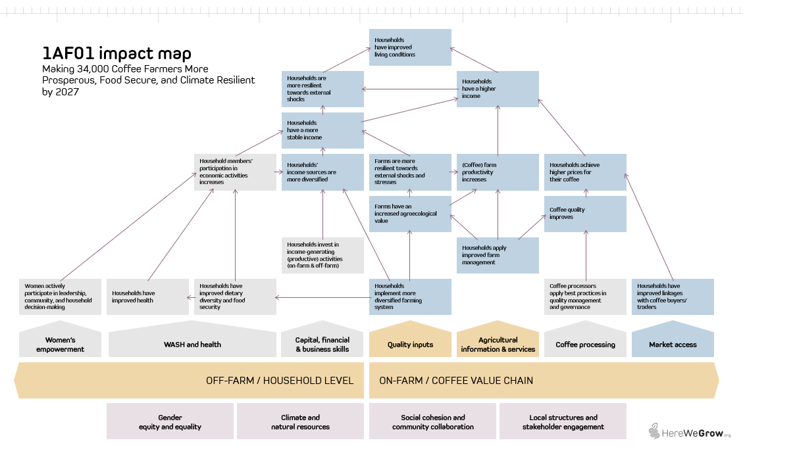
1) OAF Program Theory of Change
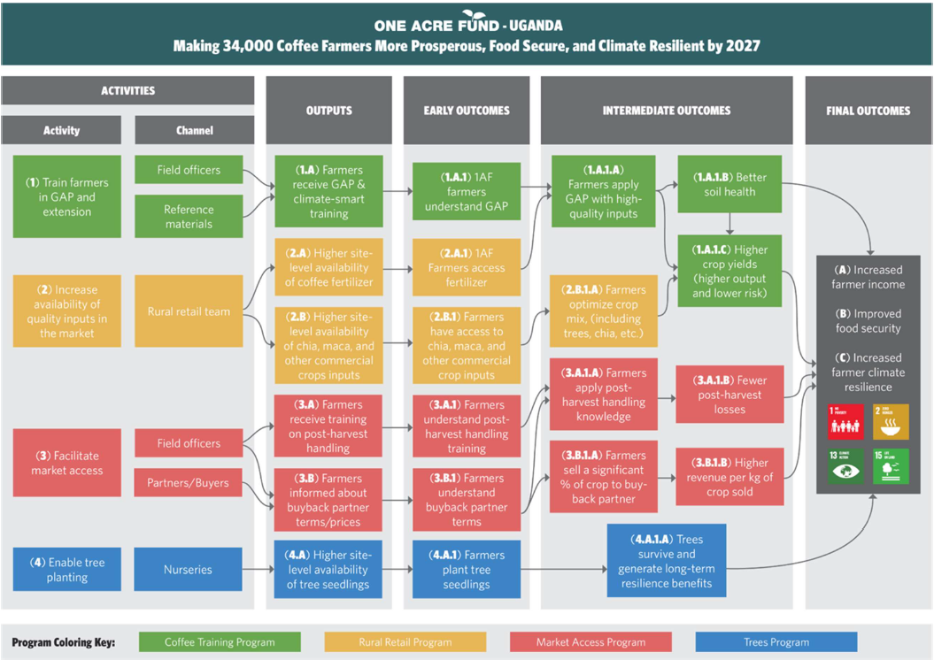

2) HereWeGrow Impact Map

Sensitivity analysis
Sensitivity Analysis
Point sensitivity — override a driver below to test its effect on the SROI ratio. "Base" restores the original model assumption.

Driver | Value | Base | Note
Discount rate | 10% | 10% | Master input.
Coffee price change | 0% | 0% | Master input
Annual effect decay/increase | -7% | -7% | Master input. SROI discounting reads this cell.
Non-implementation cost share deducted | 15% | 15% | Master input. Deducted from annual budget.
Coffee tree productivity increase due to GAP adoption from Year 2 onwards | 20% | 20% | Master input.
Share of households participating in market access program | 5% | 5% | Master input.
Coffee sales price increase through market access component | 5% | 5% | Master input.
Macadamia survival rate | 35% | 35% | Master input.
Tree survival rate | 35% | 35% | Master input.

SROI | 8.2

SROI under different discount rates
SROI with different non-implementation cost-shares deducted from total grant amount
Discount rate | SROI |  | NCIS | SROI
15% | 6.5 |  | 15% | 8.2
10% | 8.2 |  | 10% | 7.7
5% | 10.9 |  | 0% | 6.9
0% | 15.5

Discount rate: Not discounting project benefits and costs would increase the SROI to 15.6
Non-implementation cost share: The project budget includes 15% indirect costs. Including these costs in the cost base for the SROI calculation reduces SROI to 7.0.

 |  | Coffee |  | Share of hh participating in market access program
Coffee tree productivity increase through GAP adoption (including inorganic fertilizer use) is a key parameter of the SROI model. Sensitivity analysis shows that even under a very modest productivity increase of 5% the program would create significant value. Assuming a 40% productivity increase (instead of 20%) drives SROI up to 13.8. In contrast, having more households enrolled in the Market Access Program has little effect on SROI. That is because the expected coffee price increase is modest (5%) and households are expected to sell only part of their coffee to buying partners. |  | Productivity increase | 8.2 | 3% | 5% | 10% | 30% | 50% | 75% | 90%
 |  |  | 5% | 4.2 | 4.2 | 4.2 | 4.3 | 4.4 | 4.5 | 4.5
 |  |  | 10% | 5.5 | 5.5 | 5.6 | 5.6 | 5.7 | 5.8 | 5.8
 |  |  | 15% | 6.8 | 6.9 | 6.9 | 6.9 | 7.0 | 7.1 | 7.2
 |  |  | 20% | 8.2 | 8.2 | 8.2 | 8.3 | 8.3 | 8.4 | 8.5
 |  |  | 25% | 9.5 | 9.5 | 9.5 | 9.6 | 9.7 | 9.8 | 9.8
 |  |  | 30% | 10.8 | 10.8 | 10.8 | 10.9 | 11.0 | 11.1 | 11.2
 |  |  | 40% | 13.4 | 13.4 | 13.5 | 13.6 | 13.6 | 13.8 | 13.8

 |  |  |  | Share of hh participating in market access program
Sensitivity analysis shows that price effects lead to much smaller gains in SROI than productivity effects. If the share of coffee households selling to buyback partners is kept constant at 20%, households' participation in the market access program and coffee sales prices have limited effects. Universal participation in the Market Access Program and a sales price increase of 75% would have roughly the same effect on SROI than doubling coffee tree productivity from 20% to 40%. |  | Sales price increase | 8.2 | 3% | 5% | 10% | 30% | 50% | 75% | 100%
 |  |  | 5% | 8.2 | 8.2 | 8.2 | 8.3 | 8.3 | 8.4 | 8.5
 |  |  | 10% | 8.2 | 8.2 | 8.2 | 8.4 | 8.5 | 8.7 | 8.9
 |  |  | 25% | 8.2 | 8.2 | 8.3 | 8.7 | 9.1 | 9.6 | 10.1
 |  |  | 50% | 8.3 | 8.3 | 8.5 | 9.3 | 10.1 | 11.1 | 12.1
 |  |  | 75% | 8.3 | 8.4 | 8.7 | 9.9 | 11.1 | 12.5 | 14.0

The model assumes a very conservative tree survival rate of 35%. Evidence from Kenya and other projects in Uganda show tree survival rates of around 80% 12 months post-transplantation. Under the assumption that 80% of macadamia and other tree seedlings survived at 12 months post-transplantation, SROI would change from 8.2 to 11.6. |  | Macadamia & Trees |  | Macadamia survival rate
 |  | Tree survival rate | 8.2 | 35% | 50% | 60% | 70% | 80%
 |  |  | 35% | 8.2 | 8.2 | 8.2 | 8.2 | 8.2
 |  |  | 50% | 9.3 | 9.3 | 9.3 | 9.3 | 9.4
 |  |  | 60% | 10.0 | 10.1 | 10.1 | 10.1 | 10.1
 |  |  | 70% | 10.8 | 10.8 | 10.8 | 10.8 | 10.9
 |  |  | 80% | 11.5 | 11.5 | 11.6 | 11.6 | 11.6

Info
*Level of certainty (lowest of the four dimensions evidence strengths, precision of impact estimates, assumptions, and sensitivity):
Low Evidence strength: No direct measurement of household income or consumption expenditure. Income effects modeled from intermediate outcomes.
Weak evaluation design (observational, no counterfactual; small or non-representative samples).
Impact/outcome estimates from very different contexts (low generalizability).
Precision of impact estimates: Confidence interval (CI) width > 60% of point estimate or no CI reported at all. Point estimates not statistically significant.
Assumptions: Multiple key assumptions with high uncertainty (best guess).
Sensitivity: SROI values highly sensitive to key uncertain parameters. Small or plaussible variations (e.g. +/- 10-20%) in key parameters lead to large changes in SROI values or even a change in sign.
Medium Evidence strength: Impact estimates based on self-reported income or validated proxy measures.
Observational or quasi-experimental evaluation design with some attempt at causal inference. Impact estimates from similar contexts or adapted with reasoning.
Precision of impact estimates: Moderately wide CI (CI width 30-60%). Borderline statistical significance of impact estimates.
Assumptions: Some substantiated assumptions (with some form of support based on available evidence or logical reasoning).
Sensitivity: SROI values are moderately sensitive to key parameters. Reasonable variation in inputs leads to noticeable but not decision-changing shifts in SROI.
High Evidence strength: Direct measurement of household consumption expenditure. Rigorous experimental/quasi-experimental design with strong causal identification. Impact estimates from coffee-growing households in East Africa or validated external validity.
Precision of impact estimates: Income estimates significant at 5% (p<0.05) with narrow confidence intervals (i.e., CI width < 31% of the point estimate).
Assumptions: All key assumptions are empirically grounded or sensitivity-tested.
Sensitivity: SROI values are robust to sensitivity analysis. Changes in inputs lead to only modest changes in SROI values, and conclusions remain consistent.

*Methodological rigor:
Fair Design and methods have significant limitations that reduce confidence in causal claims.
Good Design is generally appropriate, with clear and justified sampling and analytical methods, though some limitations remain
Excellent Rigorous design with well-documented, robust methods that effectively address potential biases and support strong causal inferences.

Impact measure: The forecast does not provide data on total household income. Instead, it focuses on the intermediate outcome of coffee, Chia and Macadamia production. We assume yield effects of practice adoption to calcuate coffee revenues, costs associated with practice adoption to calculate coffee and maize profits and that changes in practices adoption do not affect other income-gernerating activities of the household, so that a change in coffee and maize profits translates directly into an equal change in total household income.

*Discrount rate: When a program's costs and impacts are distributed across time, it is necessary to discount them back to their present value in the base year of the program to account for an organization's time preference for both costs and benefits. The social opportunity cost of capital (SOC) is used as the standard discount rate in this analysis, in part because the high variation and scarce data on time preference in the developing world makes it impossible to use people's social rate of time preference to establish a standard discount rate.
Looking at the median discount rate, calculated based on the SOC, across countries suggests that anything between 10-12 percent is a reasonable rate for discounting the costs and benefits of rural livelihoods programs in developing countries. We've chosen to set the discount rate to 10 percent to ensure consistency across all programs in the analysis. (For a list of discount rates used by various governments and organizations, see Table 2 of Dhaliwal et al., 2013.)

*Accounting for inflation: We present cash flows in real vaules, deflating coffee prices and labor costs (for the calculation of profts from coffee) as well as project costs back to real value in base year (2018 for C2019 and 2019 for C2020), using average annual LCU inflation rate over time elapsed between base year and the incurrence of benefits/costs. We take the present value of these cash flows and then inflate forward to the year of analysis (2021), using average annual LCU inflation rate over time elapsed between base year and year of analysis. We selected 2021 as year of analysis because it aligns with the latest international poverty line and purchasing power parity (PPP) update (World Bank Group 2025).

*Non-implementation costs share: This parameter captures the share of the total project budget allocated to costs not directly related to project implementation — such as administrative overhead, institutional support functions, or organizational indirect costs applied by the implementing organization. We assume these costs are not directly related to implementing the program and therefore exclude non-implementation/indirect costs from the considered project costs in the base case.

*Practice adoption over time: The available evaluation data does not allow us to estimate the dynamic effects of the coffee training on practice adoption - it is possible that the effects became either stronger or weaker over time. We apply findings from a previous evaluation of TechnoServe's coffee training program in East Africa (IPE Tripe Line, 2017) to model the time path of impact. This allows us to approximate the return on the training over a period of 10 years. The Triple Line evaluation concluded that 63% of the improvement in practice adoption achieved by the end of the training period remained 5 years later. Assuming the decay in farmers' practice adoption is linear implies an annual decay of 7.3% of the initial improvement.
Spillover effects: The program could lead to positive spillover effects among participating and non-participating households. Participating households may apply their BP knowledge to other crops. Non-participating households may learn about BPs through knowledge sharing and start applying BPs on their (coffee) plots. There is limited and mixed evidence on the direction and magnitude of spillover effects of agricultural extension programs. An RCT of an TNS agronomy training program among Rwandan coffee farmers finds no evidence of social diffusion of BP knoweldge; instead control households experienced negative spillovers, likely because of competition for scarce inputs, such as inorganic fertilizer and labor (Duflo et al., 2026).
Input sales by OAF may also affect the offer and profits of agro-input dealers in the region. Yet, we do not have any evidence on potential effect sizes and magnitudes. Therefore, we do not consider (positive and/or negative) spillover effects in SROI calculation.

